West
Only Sport Scottish Amateur Cup
(North of Tay Region)
 |  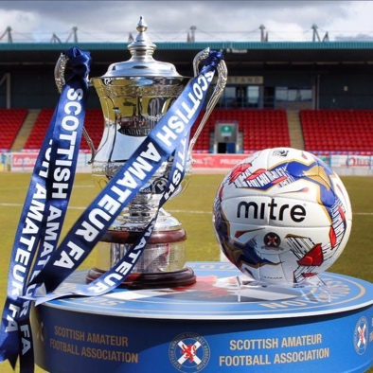
 | Home |  |  |  | Away
1 | Douglas Y AFC (DSMAFL) | 22 | v | 13 | Cannon Fodder AFC (DSMAFL)
2 | Tayside Fire Brigade (DSMAFL) | 57 | v | 49 | North End Amateurs AFC (DSMAFL)
3 | Broughty United AFC (MAFA) | 10 | v | 17 | Craigie Bar AFC (DSMAFL)
4 | Vale of Earn AFC (PAFA) | 60 | v | 30 | East End Thistle AFC (DSMAFL)
5 | Claverhouse AFC (DSMAFL) | 15 | v | 46 | Montrose Merpro AFC (MAFA)
6 | Kinrossie CALEdonian AFC (PAFA) | 39 | v | 33 | Forfar Athletic CFC (MAFA)
7 | Kettins AFC (PAFA) | 37 | v | 3 | Auchterarder Primrose AFC (PAFA)
8 | Kelso AFC (DSMAFL) | 36 | v | 59 | Vale of Atholl AFC (PAFA)
9 | Dundee University Association AFC (DSMAFL) | 27 | v | 45 | Monifieth Athletic AFC (DSMAFL)
10 | Bank Street Athletic AFC (DSMAFL) | 5 | v | 44 | Methven Athletic AFC (PAFA)
11 | Dundee United Sports Club AFC (DSMAFL) | 26 | v | 1 | Alyth AFC (PAFA)
12 | Balmoral United AFC (PAFA) | 4 | v | 52 | Pitfour AFC (PAFA)
13 | Douglas East AFC (DSMAFL) | 21 | v | 12 | Cairdy Thistle AFC (DSMAFL)
14 | Morgan FP AFC (MAFA) | 47 | v | 8 | Brechin Amateurs (MAFA)
15 | Wolfhill AFC (PAFA) | 61 | v | 28 | Dundee University Medics (DSMAFL)
16 | Stanley AFC (PAFA) | 55 | v | 2 | Arbroath FC Amateurs (MAFA)
17 | Dundee West AFC (DSMAFL) | 29 | v | 7 | Breadalbane AFC (PAFA)
18 | FC Romania AFC (PAFA) | 31 | v | 24 | Dundee Athletic AFC (DSMAFL)
19 | Burrelton Rovers AFC (PAFA) | 11 | v | 18 | Craws Nest AFC (DSMAFL)
20 | Dolphin AFC (DSMAFL) | 19 | v | 25 | Dundee Social AFC (DSMAFL)
21 | Invergowrie AFC (MAFA) | 34 | v | 54 | Powrie AFC (DSMAFL)
22 | Letham Community AFC (PAFA) | 41 | v | 53 | Pole park AFC (DSMAFL)
23 | The Beat AFC (DSMAFL) | 58 | v | 6 | Barnhill AFC (MAFA)
Bye | Luncarty ASC AFC (PAFA) | 43 | v
Bye | Kinnoull AFC (PAFA) | 38 | v
Bye | Dryburgh Athletic AFC (DSMAFL) | 23 | v
Bye | Craigie AFC (DSMAFL) | 16 | v
Bye | Lochee Harp AFC (DSMAFL) | 42 | v
Bye | Finavon AFC (MAFA) | 32 | v
Bye | Bridgeton United AFC (PAFA) | 9 | v
Bye | Jeanfield Swifts AFC (PAFA) | 35 | v
Bye | Occidental AFC (DSMAFL) | 50 | v
Bye | Douglas Amateurs AFC (MAFA) | 20 | v
Bye | Kirrie Thistle CFC AFC (MAFA) | 40 | v
Bye | Stobswell AFC (DSMAFL) | 56 | v
Bye | Charlie Accies AFC (DSMAFL) | 14 | v
Bye | Parktool Athletic AFC (DSMAFL) | 51 | v
Bye | Newport AFC (MAFA) | 48 | v

