West
Only Sport Scottish Amateur Cup
(North of Scotland Region)
 | 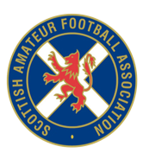 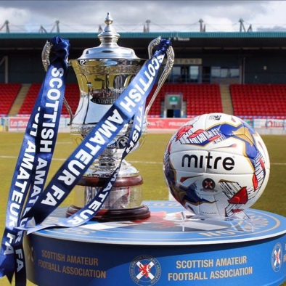
 | Home |  |  |  | Away
1 | Ellon Thistle AFC (AAFA) | 16 | v | 28 | Monymusk AFC (AAFA)
2 | St Laurence AFC (AAFA) | 34 | v | 37 | Stoneywood Parkvale AFC (AAFA)
3 | Feughside AFC (AAFA) | 18 | v | 4 | AC Mill Inn AFC (AAFA)
4 | Alford AFC (AAFA) | 5 | v | 24 | Kemnay Youth AFC (AAFA)
5 | AC Mill Inn Academy AFC (AAFA) | 3 | v | 35 | St Machar Thistle AFC (AAFA)
6 | Tarves AFC (AAFA) | 38 | v | 36 | Stonehaven Athletic AFC (AAFA)
7 | Banchory AFC (AAFA) | 7 | v | 17 | FC Polska AFC (AAFA)
8 | Theologians AFC (AAFA) | 39 | v | 2 | Aberdeen University Colts AFC (AAFA)
9 | Woodside AFC (AAFA) | 43 | v | 41 | Turriff Thistle AFC (AAFA)
10 | Lads Club Ams AFC (AAFA) | 25 | v | 21 | Insch AFC (AAFA)
11 | Meldrum United AFC (AAFA) | 27 | v | 12 | Cove Thistle AFC (AAFA)
12 | Nicolls AFC (AAFA) | 30 | v | 40 | Tolbooth AFC (AAFA)
13 | Bervie CALEdonian AFC (AAFA) | 8 | v | 11 | Burghmuir AFC (AAFA)
14 | Glentanar Reflex AFC (AAFA) | 20 | v | 13 | Cowie Thistle AFC (AAFA)
15 | Aberdeen University AFC (AAFA) | 1 | v | 31 | North Star CFC (AAFA)
16 | Ellon Ams AFC (AAFA) | 15 | v | 23 | Kemnay FC AFC (AAFA)
Bye | Rattrays XI AFC (AAFA) | 33 | v
Bye | Echt AFC (AAFA) | 14 | v
Bye | Auchnagatt Barons AFC (AAFA) | 6 | v
Bye | JS XI AFC (AAFA) | 22 | v
Bye | Bridge of Don AFC (AAFA) | 10 | v
Bye | Newburgh Thistle AFC (AAFA) | 29 | v
Bye | Glendale AFC (AAFA) | 19 | v
Bye | Bon Accord City AFC (AAFA) | 9 | v
Bye | Westdyke AFC (AAFA) | 42 | v
Bye | Laurencekirk Westend AFC (AAFA) | 26 | v
Bye | Postal ALC (AAFA) | 32 | v

